TopEnd Routes
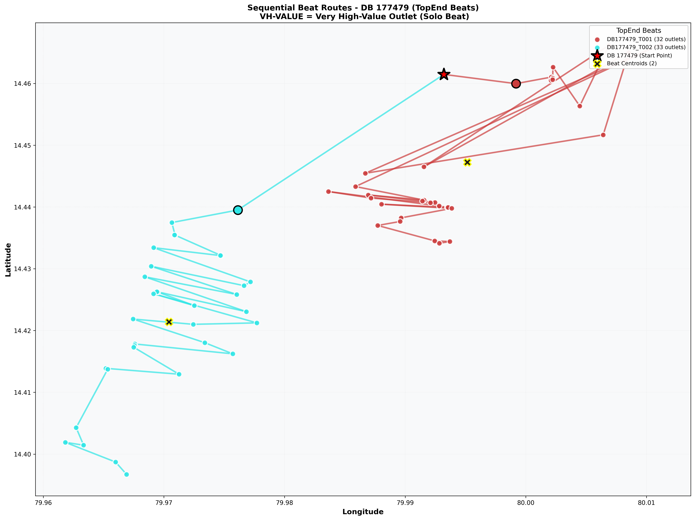
DB_Code | Classification | Image | Size
177479 | TopEnd | Sequential_Route_DB_177479_TopEnd.png | 660.5 KB

Normal Routes
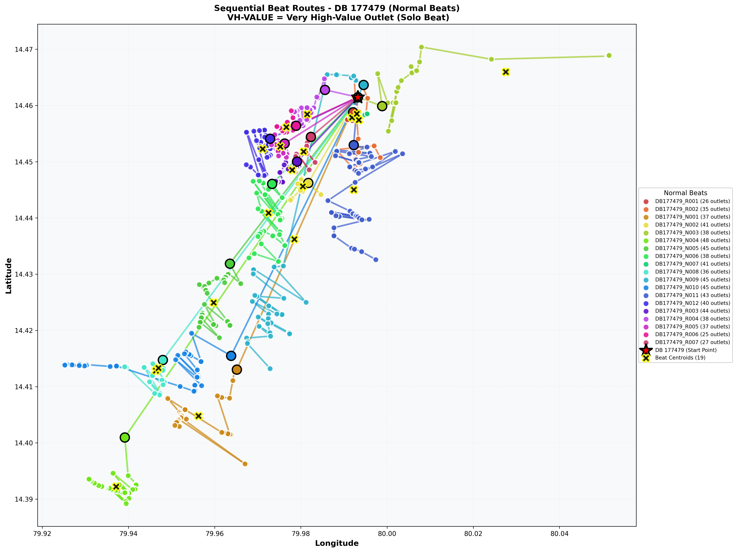
DB_Code | Classification | Image | Size
177479 | Normal | Sequential_Route_DB_177479_Normal.png | 1433.4 KB

